VCRS_Calculation Sheet
 |  |  | INDIAN INSTITUTE OF TECHNOLOGY, BOMBAY
 |  |  | Department of Mechanical Engineering

 | Name | Milind V Rane | ME441 Thermal Fluid Engineering Laboratory 2024
 | Roll # | 123456789 | Calculation Sheet: Vapour Compression Refrigeration System, VCRS
 | Data Set | A | Single Stage, R134a, Open Type Compressor, Water Cooled Condenser
 | Reading | 1
 | Reading | 4

Sr # | Parameter |  | Unit | Reading 1 | Reading 4 | Comment on Variation in Specific Parameter or Group of Parameters

1 | Condenser Pressure (abs.) | pc | kPa | 800 | 970
2 | Evaporator Pressure (abs.) | pe | kPa | 100 | 200
3 | Compressor Suction | t1 | oC | 7.0 | 5.2
4 | Compressor Delivery | t2 | oC | 65.0 | 68.8
5 | Liquid leaving Condenser | t3 | oC | 29.6 | 34.2
6 | Evaporator inlet | t4 | oC | -29.0 | -10.6
7 | Water inlet | t5 | oC | 28.2 | 28.0
8 | Water outlet | t6 | oC | 30.9 | 33.5
9 | Water flow rate | mw | g/s | 30 | 32
10 | R134a flow rate | mr | g/s | 1.9 | 3.8
11 | Evaporator Wattage | Qe.el | W | 126 | 505
12 | Motor Wattage | Qm.el | W | 343 | 451
13 | Spring Balance | F | N | 10.0 | 12.5
14 | Motor speed | Nm | rpm | 1470 | 1473
15 | Compressor speed (nc=nw / Pulley ratio)(Pulley ratio =1.98) | Nc | rpm | 742 | 743

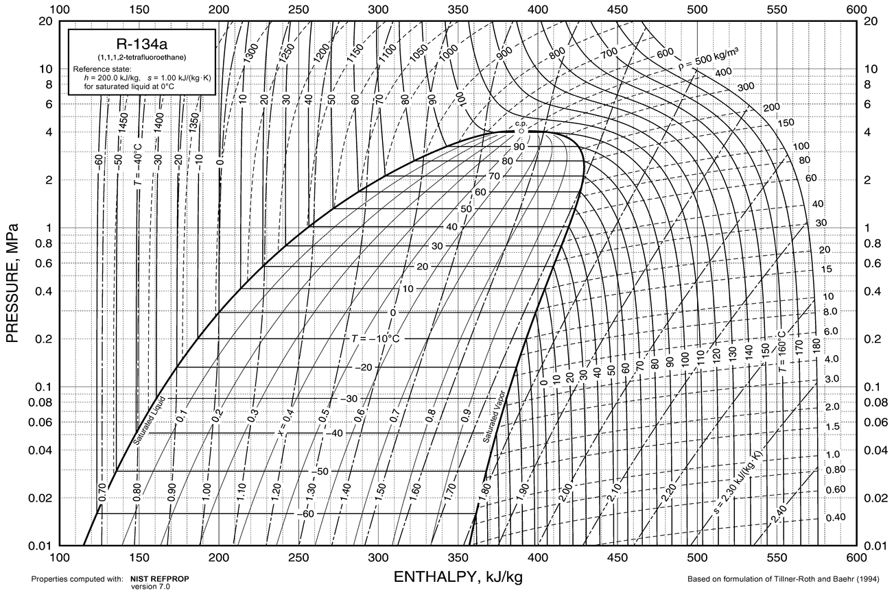

Refrigerant Properties at Various State Points Picked Up form the R134a Chart (Kindly represent Cycle for both the Readings on the Single p-h Chart)
16 | Enthalpy of Superheated Vapour at Compressor Suctiona | h1 | kJ/kg |  |  | aState at the Compressor Suction will be same as Evaporator Outlet if the refrierant line beteween the evaporator outlet and compressor inlet is short and insulated. Read all the properties from the p-h Chart provided from the ASHRAE HBF 2017, Ch 30, P 30.17, Fig 8 for R134a
17 | Density of Superheated Vapour at Compressor Suctiona | ρ1 | kg/m3
18 | Specific Volume of Superheated Vapour at Compressor Suctiona | v1 | m3/kg
19 | Enthalpy of Superheated Vapour at Compressor Dischargea | h2 | kJ/kg
20 | Enthalpy of Liquid at Condenser Outletb | h3 | kJ/kg |  |  | aState at the Condenser Outlet will typically be subcooled
21 | Enthalpy of Two-Phase at Evaporator Inletb | h4 | kJ/kg |  |  | aState at Evaporator Inlet is same as that at Expansion Valve Outlet if a Liquid Vapour Distributor is not Use, In the present case it is not there, as there is a single evaporator tube

 | Kindly enter formulas in the cells in columns G & I to enable evaluation, (do not enter the calculated values), also enter your comments based on comparison of values in colum G & I
22 | Refrigeration Load | Qe | W

23 | Shaft Power | Ps | W

24 | Friction Power | Pf | W

25 | Indicated Power | Pi | W

26 | COP based on Electrical Power or Overall COP | COPep | W

27 | COP based on Shaft Power | COPsp | W

28 | COP based on Indicated Power | COPip | W

29 | Volumetric Efficiency | ηvol | %

30 | Energy Balance in a Single Stage VCR System | EBip | W

Summary of Comments (in a single sentence for each item)

